Sheet1
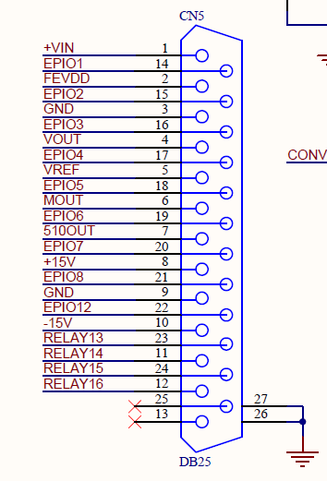
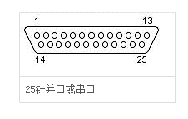
Pin Number | Signal Name
2 | VDD
3 | GND
4 | VOUT
5 | VREF

